Sheet1
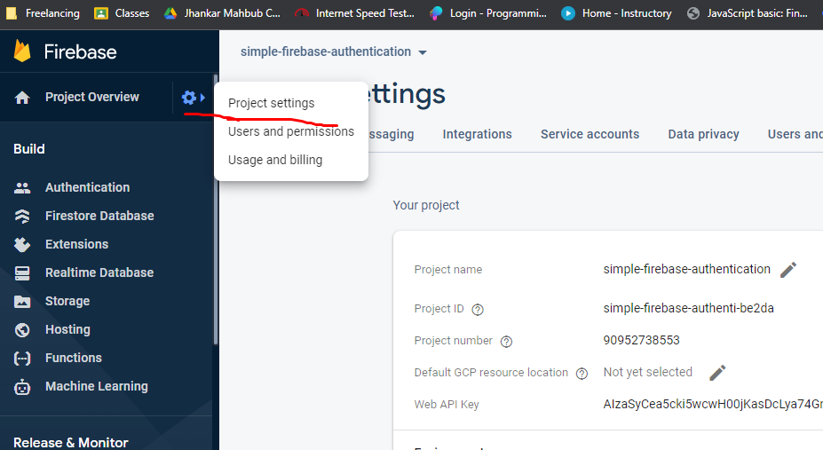
3 | Register web app in firebase

